2. UX Persona
2. UX Persona
Here is an example of a UX persona for Airbnb's primary segment.

Manu, 30-year-old photographer in a couple
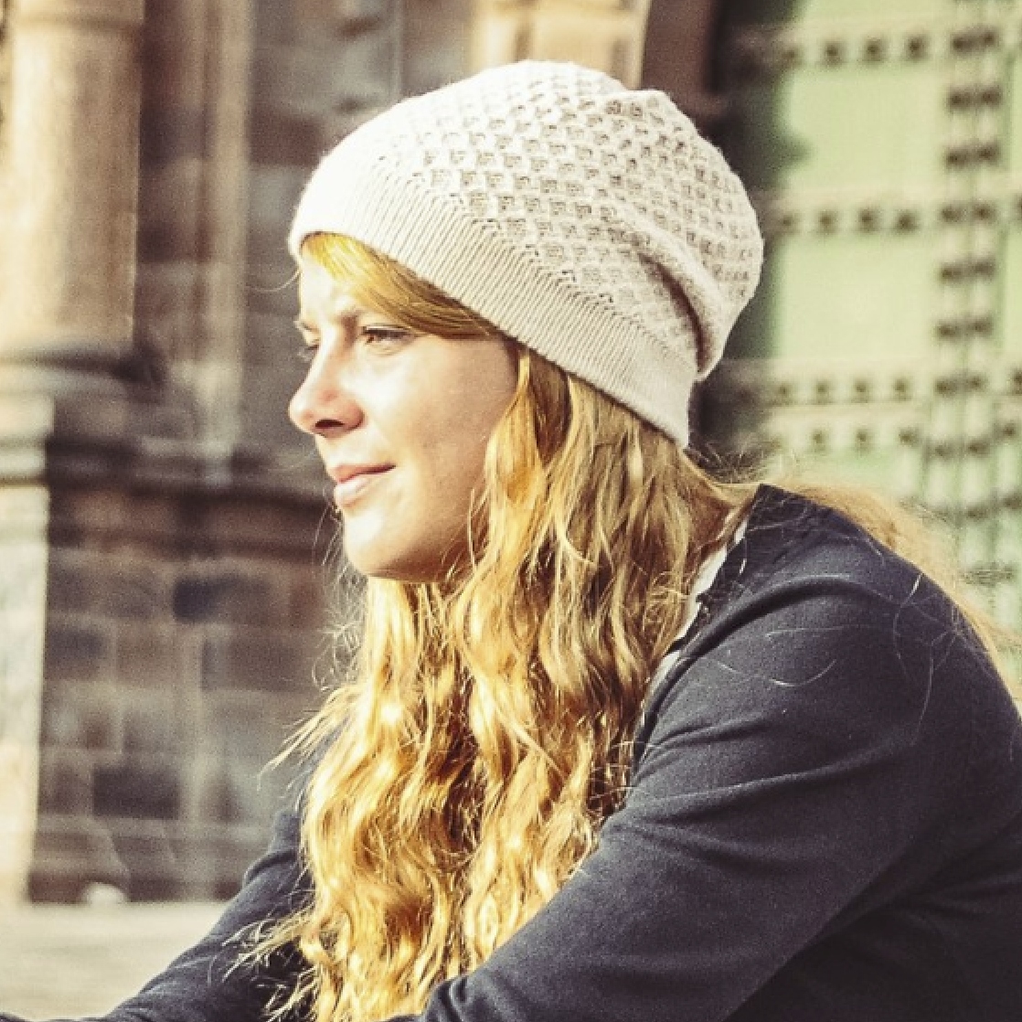
 | 1. Basic Info
 | Name | Manuelle
 | Nickname | Manu
 | Age | 32
 | Nationality | French
 | Lives in | Paris
 | Job | Professional photographer
 | Relationship status | Married, in couple for 10 years
 | Income | Reasonable

 | 2. Detailed goals
 | She wants to sleep in unique places
 | She wants to avoid touristic areas
 | She wants to share great moments with locals
 | She wants to avoid "fake airbnb" run by professionals

 | 3. Typical behaviors
 | She books a place maximum 3 weeks in advance
 | She does not care about price filter
 | She does not care about finding the “best deal”
 | She uses the map to look for authentic areas and avoid tourist districts
 | When she knows the district, she chooses several results based on rating and pictures
 | She generally opens 5 or 6 choices in different tabs
 | For each choice, she spends time looking at full screen pictures to "feel the atmosphere"
 | She is looking for authentic details in the comments (e.g. balcony with plants 🌵🌱 and a view)

2. Exercise - UX Persona
2. Exercise - Persona
Build a UX persona corresponding to your primary customer segment following our template.

First name, quick description

 Add profile picture | 1. Basic Info
 | Name | Jean Luc Leblaye
 | Nickname | JL
 | Age | 44 ans
 | Nationality | Française
 | Lives in | Paris 12
 | Job | Chef de projet
 | Relationship status | Célibataire
 | Income | Elevé

 | 2. Detailed goals
 | A besoin d'un appartement à Toronto pour un weekend
 | A besoin que l'appartement soit dans le centre
 | A besoin de voir des images de l'appartement
 | A besoin d'une vue

 | 3. Typical behaviors
 | Prévois tout
 | Pour lui la qualité passe avant le prix
 | Observe beaucoup les images
 | N'a besoin que d'un logement confortable
 | S'impatiente
 | veut absolument le meilleur

